Task
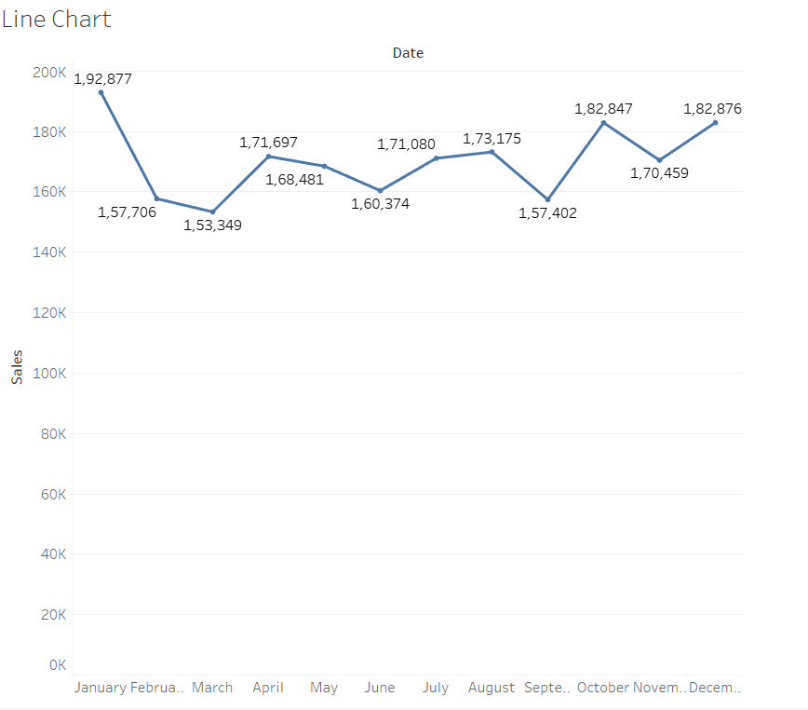
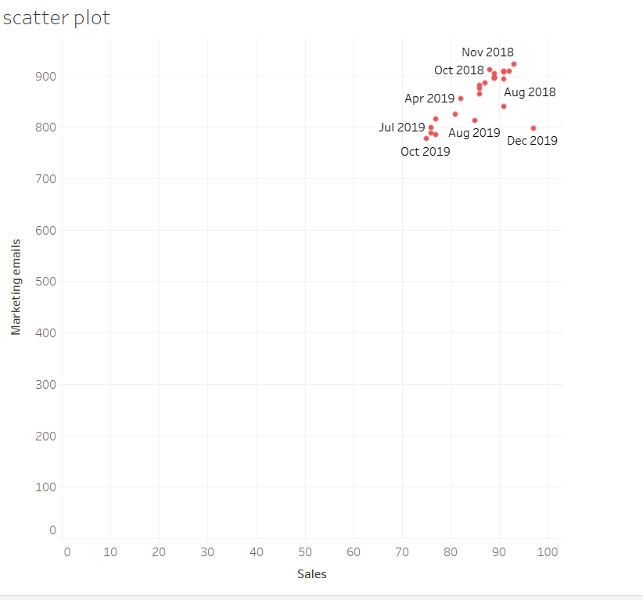
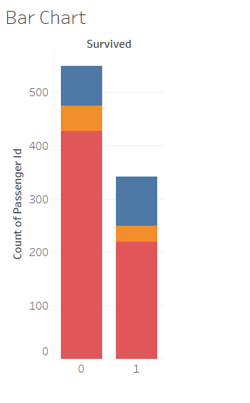
In this exercise, we’ll enhance the visualizations using Tableau’s Marks Card feature, which lets you adjust the appearance of your charts by modifying type, color, size, shape, and labels. Using the charts from the previous exercise, complete the following tasks: Line Chart: Display the sum of sales for each month by using the Marks Card. Bar Chart: Use color to differentiate the embarked types. Scatter Plot: Change the color and add labels to enhance readability.

Your Output should be :

